Prince Underwear
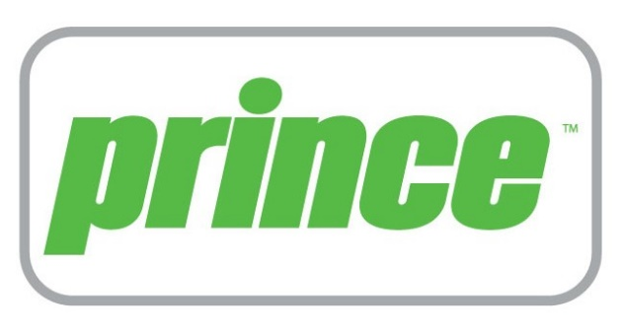
Prince Underwear

Case pack: 24 / 6 inner

Factory sealed cases.

UPC: Yes

Note: No pre-pricing on retail package.

Restrictions: Please open tab below marked "Restrictions".

Quantity: 38,748 units

Take All Price : ($5.66 per unit) Ex Warehouse Los Angeles, CA, USA.
Call for less than take all price.
Subject to change and prior sale.

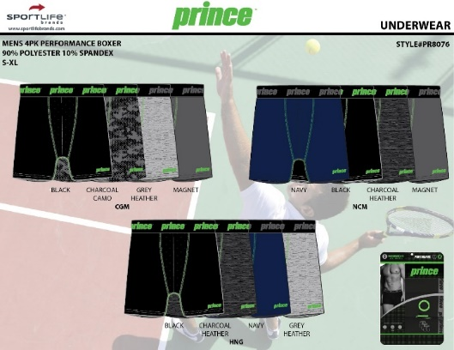
Style | Color | Description | Size | # Units
PR8076 | BLACK/CHARCOAL CAMO PRINT/GREY [CGM] | MEN'S 4PK PERFORMANCE BOXER BRIEF | M,L,XL | 3,000
PR8076 | BLACK/CHARCOAL HEATHER/NAVY/GR [HNG] | MEN'S 4PK PERFORMANCE BOXER BRIEF | M,L,XL | 3,000
PR8076 | NAVY/BLACK/CHARCOAL HEATHER/MA [NCM] | MEN'S 4PK PERFORMANCE BOXER BRIEF | XL | 2,256

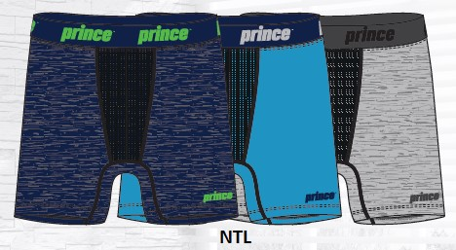
PR8073 | BCR - BLACK/CHARCOAL HEATHER/ROYAL | MEN'S 3 PK PERFORMANCE BOXER BRIEF | S | 1,272
PR8073 | BCR - BLACK/CHARCOAL HEATHER/ROYAL | MEN'S 3 PK PERFORMANCE BOXER BRIEF | L | 3
PR8073 | BCR - BLACK/CHARCOAL HEATHER/ROYAL | MEN'S 3 PK PERFORMANCE BOXER BRIEF | XL | 792
PR8073 | BMG - BLACK/MAGNET/GREEN | MEN'S 3 PK PERFORMANCE BOXER BRIEF | ASST | 2,976
PR8073 | BMR - BLACK/MAGNET/SILVER | MEN'S 3 PK PERFORMANCE BOXER BRIEF | ASST | 2,976
PR8073 | BMT- BLACK/MAGNET/TEAL | MEN'S 3 PK PERFORMANCE BOXER BRIEF | ASST | 2,976
PR8073 | BNQ-BLACK/NAVY/QUIET SHADE | MEN'S 3 PK PERFORMANCE BOXER BRIEF | S | 1,464
PR8073 | BNQ-BLACK/NAVY/QUIET SHADE | MEN'S 3 PK PERFORMANCE BOXER BRIEF | XL | 1,512
PR8073 | BRH - BLACK/RED/CHARCOAL HEATHER | MEN'S 3 PK PERFORMANCE BOXER BRIEF | S | 1,291
PR8073 | BRH - BLACK/RED/CHARCOAL HEATHER | MEN'S 3 PK PERFORMANCE BOXER BRIEF | M | 1,230
PR8073 | BRH - BLACK/RED/CHARCOAL HEATHER | MEN'S 3 PK PERFORMANCE BOXER BRIEF | L | 1,236
PR8073 | BRH - BLACK/RED/CHARCOAL HEATHER | MEN'S 3 PK PERFORMANCE BOXER BRIEF | XL | 1,244
PR8073 | MGB-MAROON/HT GREY/BLACK | MEN'S 3 PK PERFORMANCE BOXER BRIEF | ASST | 2,976
PR8073 | NGH - NAVY/LIGHT GREY/HEATHER GREY | MEN'S 3 PK PERFORMANCE BOXER BRIEF | S | 932
PR8073 | NGH - NAVY/LIGHT GREY/HEATHER GREY | MEN'S 3 PK PERFORMANCE BOXER BRIEF | M | 376
PR8073 | NGH - NAVY/LIGHT GREY/HEATHER GREY | MEN'S 3 PK PERFORMANCE BOXER BRIEF | L | 376
PR8073 | NGH - NAVY/LIGHT GREY/HEATHER GREY | MEN'S 3 PK PERFORMANCE BOXER BRIEF | XL | 908
PR8073 | NGS-HT NAVY/GREEN/SILVER | MEN'S 3 PK PERFORMANCE BOXER BRIEF | ASST | 2,976
PR8073 | NTL-HT NAVY/TURQ/LT HT GREY | MEN'S 3 PK PERFORMANCE BOXER BRIEF | ASST | 2,976
 |  |  |  | 38,748

